Project Design Template - Start
CCCD Project Design Template

Version January 2026

Take me to the INTRODUCTION

Introduction
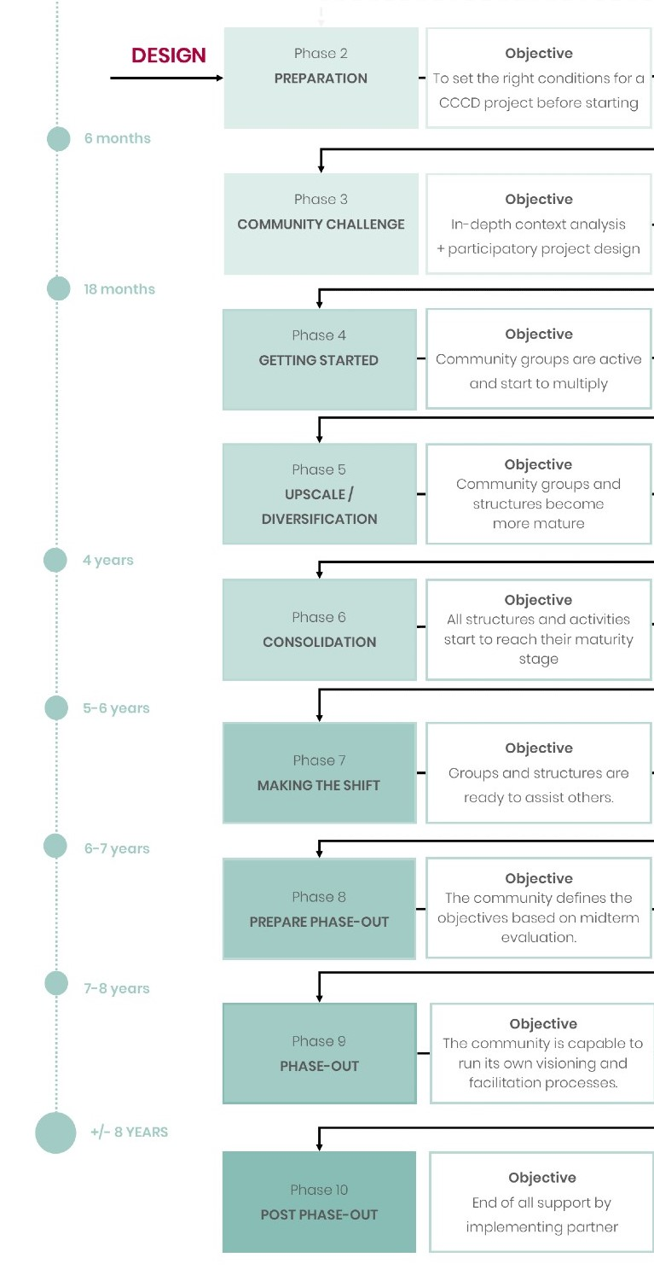
Introduction
Dear partner,
This is the digital template to guide you-step-by-step through the process of designing a CCCD project. It is meant to filled out by staff of Help a Child partners. All elements of the template need to be filled out with the objective of creating a clear overview of a well phased and sustainable project that helps to improve child wellbeing. The several tabs in this template finally lead to the Multi-Annual Project Plan (MAPP), which provides a concise description of the project, grounded in a thorough and critical analysis of the context and with a strong focus on the strategic project choices, visualized in a Theory of Change. This step-by-step process is shown below.
Child wellbeing as the ultimate goal
The ultimate goal of Help a Child is to improve the wellbeing of children in a sustainable way. Therefore, the underying question beneath each project design, funded by Help a Child, should be: How does this contribute to the (sustainable) improvement of child wellbeing in this area?
Suistainability and phasing The sustainability of the project is very crucial to Help a Child. With sustainability we mean that effects of the project endure after the phase-out of the project. For ensuring sustainability it’s crucial to be aware and make use of the different phases in your project. See chapter 7 of the CCCD Manual as well as picture on the right.
How to use this template
This template guides you through all steps of designing a MAPP and accompanying Theory of Change. It contains 8 tabs: 1. General information
2. In-depth Context Analysis
3. Community Challenge Report 4. Theory of Change 5. Project Quality Check 6. Multi-Annual Project Plan 7. Multi-Annual Budget
User tips --> Download this template and save it on your computer.
--> Use the entry boxes to fill out the requested information. --> When clicking on an entry box, helpful instructions will pop-up in a yellow square to guide you through the process. --> Use ALT-ENTER to go to the next line within the same entry box --> Save your changes every 5 minutes. --> This template is not printable. If for any reason you have difficulties with using this template, please ask for our support.
Support
If you need support in any step, let us know. Simply contact us by sending an email to projects@redeenkind.nl. Thanks in advance!

PROJECT QUALITY CHECK Run a quality check on the draft project design to identify gaps between community vision, actual needs in the area, partner capacity and CCCD requirements.
MULTI-ANNUAL PROJECT PLAN The MAPP template is filled out with all elements requested and is presented to Help a Child for approval.
READ IN Study the Chapter 1-7 of the Help a Child CCCD Manual to have a clear picture of our vision on child wellbeing and sustainable community development.
IN-DEPTH CONTEXT ANALYSIS Complement information collected in the Community Challenge (see next two steps) with in-depth context information about the project area.
COMMUNITY CHALLENGE REPORT Present the outcomes of the sessions facilitated during the 7 steps of the Community Challenge.
THEORY OF CHANGE During a facilitated workshop, a Help a Child facilitator guides the partner staff through the process of developing a Theory of Change.

■ Fill out tab 4: Theory of Change
■ Fill out tab 1 (General information) and 2 (In-Depth Context Analysis)
■ Submit the Community Challenge Report, including Community Action Plan, seperately (see tab 3)
■ Fill out tab 5: Project Quality Check
■ Fill out tab 6: Multi-Annual Project Plan and tab 7: Multi-Annual Project Budget
Go to our Theory of Change
■ Make graphic representation of Theory of Change
Go to our CCCD Manual 2021

Got it! Take me to step 1:
General Information

1. General information
 | Step 1: General information

 | 1.1 Information about implementing partner

 | Name implementing partner
 | Nam contact person
 | E-mail contact person
 | Telephone number contact person
 | Project area + (specific location)
 | Name of project

 | 1.2 Contact data partner organizations (if applicable)

1 | Name organization
 | Main role(s) in project intervention
 | Name contact person
 | E-mail contact person
 | Telephone number contact person

2 | Name organization
 | Main role(s) in project intervention
 | Name contact person
 | E-mail contact person
 | Telephone number contact person

3 | Name organization
 | Main role(s) in project intervention
 | Name contact person
 | E-mail contact person
 | Telephone number contact person

Take me to step 2: In-Depth Context Analysis

2. In-Depth Context Analysis
Before you start step 2

The quality of the project and of it's Theory of Change depends on a broad and thorough analysis of the target group(s) and of the local and broader context, resulting in a clear defined problem tree. In this section a concise but complete description is expected of contextual factors relevant for target group selection and selection of effective program strategies. The information for this section needs to be available before the ToC will be developed, as main project choices should be grounded in a thorough and complete context analysis. In the boxes below you can fill out all relevant information about contextual factors, looking through different lenses on different levels: macro- level (legislation & regulations), meso-level (area) and micro-level (population).
Information guidelines
All information given below should be:
--> Relevant: only mention information that is relevant for project development. --> Concise: select your information carefully formulate your information to the point.
--> Specific: make sure all information, and especially statistic information, is specific enough to be relevant for the target group(s) and/or for the project intervention areas. N.B.: easily available national statistical data are often not specific enough.
--> Justified: refer to information sources (including beneficiary consultations) using the boxes on the right next to each topic. Provide full details of information sources (author, year, title, web address if relevant). --> Impartial: When beneficiaries are consulted, include marginalized people, people from different ethnic, religious groups, and different gender- and age-categories as well as people living with disabilities.
--> Analytical: analyze the information and make clear what is concluded from the information regarding the project set-up.

Step 2: In-Depth Context Analysis

Sources
Below, refer to sources to underpin information given in the boxes on the left.
2.1 Macro-level
2.1.1 Legislation & Regulations

Identify and analyze legislation and (government, private sector) regulations that are relevant for the project and intervention area.

2.2 Meso level
2.2.1 Area selection

Explain why you have chosen to implement the project in the selected intervention area, and why not in other areas in the country.

2.3 Micro level
2.3.1. Description of population

Give a precise description of the population of the area: situation, assets, capabilities, mind-set, etc.

Give a description of the context of the area. Think of physical, social, economic, political and spiritual aspects. Describe also the (possible) local hazards and disasters and the vulnerabilities and capacities of the community in relation to these hazards/disasters.

2.1.2. Other actors

Map all other relevant actors in the same area. A listing with a short description of their (potential) roles suffices here. How the project will relate to these actors, will be elaborated in tab 3.

Summary
2.4.1. Key barriers and root causes

As a result of the above context analysis, fill out the key barriers and root causes for development in this area.

DONE? DON'T FORGET TO SAVE YOUR CHANGES.

Take me to step 3: Community Challenge Report

3. Community Challenge Report
Before you start step 3

You are now ready to start the Community Challenge Phase. The first seven steps of the Community Challenge are meant to help the members of the community to envision their current and desired situation and to shape their action plan to go from A to B. The visioning process takes place at group and community level through a series of group and plenary sessions. Before starting, take time to read Chapter 9 of the CCCD Manual and ask questions if anything is not clear. Start with the sessions in the first round of 3-5 communities. Select the following peer groups per community: - 2 groups of elders - 2 groups of women - 2 groups of male youth - 2 groups of female youth - 2 groups of children in the age 9-13
Take these groups through the steps, described in Chapter 9 of the CCCD Manual. Make sure the input is collected well and noted down in the Community Challenge Report, that can be found on the Partner Portal (see link at the right).
In-Depth Context Analysis Another activity that takes place in the Community Challenge Phase, is the In-Depth Context Analysis. The analysis is meant to complement the information gained in the community sessions. Together with the Community Action Plan, the In-Depth Context Analysis input will be used as the foundation for the Multi-Annual Project Plan. For this analysis, make use of tab 2.
Reflections about other activities in this phase (such as baseline study and first activities, as well as reflections on the budget, will be covered in the Annual Report at the end of this year.

 | Go to Community Challenge Report Template

Step 3: Community Challenge Report

3.1 Community Challenge Report

The Community Challenge Report is an important document since it reflects the community's vision on their actual and ideal situation. It also gives insight in the capacities and needs of various stakeholder groups within the community. The report reflects on the process during the sessions and at the same time includes the eventual Community Action Plan. Both elements are a very valuable sources to validate all other steps in the process. The Community Challenge Report template provides in all information important to share. Make sure some clear pictures are taken to capture the Community Action Plan. At the same time, embed the Community Action Plan in the Community Challenge Report. The Report needs to be submitted seperately in Project Connect.

Take me to step 4: Theory of Change

4. Theory of Change
Before you start step 4

The ultimate aim of this step is to make clear and underpinned choices about the set of activities that you choose to implement in this project area. These activities all need to contribute to the long-term outcome of the project ánd must fit the timeframe, scale and scope of the project. A Theory of Change helps you to identify these activities by describing the long-term goal of a project and the route towards this goal. This route is described as a set of change pathways that explain which consecutive and causally linked changes have to occur to result in the ultimate change and describe which actions are planned to bring about the various changes.
Process or product? It is good to realize that the Theory of Change is both a process and a product and that the benefits of working with a Theory of Change are only obtained if both the process and the product get enough attention. Therefore, this Theory of Change should not be explained as a donor requirement and therefore be developed by the project manager alone, but the process of developing a Theory of Change should be used as an opportunity to strengthen the (capacity for strategic project planning of the) organization as a whole. Developing the Theory of Change with a larger group of organization staff and rethinking the logic in the Theory of Change is stimulating the whole organization to be focused on the key logic of the project. Organizing a Theory of Change workshop (see 4.1) with a broad delegation of the project staff and management and preferably also a number of representatives of key stakeholders (such as other NGOs, government, private sector, target group) also enables various angles of expertise to be taken along in the multi-annual planning, and the creation of ownership for the projects.
Annual evaluation and ongoing analysis
The Theory of Change is and will remain a ‘living document’ and is not fixed in stone, continuous reflection on your ToC needs to take place and can result in adaptations to the strategy of the project. Ongoing context analysis with the community is required. Yearly reflections are requested by Help a Child in (bi-) Annual Reports so that there is room for adaptive programming when the context changes or when evidence is gathered on which elements of the ToC are working well or not.

Step 4: Theory of Change

4.1 Theory of Change workshop

Through a workshop, Help a Child will guide the implementing partner in designing the Theory of Change, taking into account the various inputs received during the Community Challenge phase. Together we will go through the below steps to design the Theory of Change, run a quality check (see tab 5) and discuss the next steps to develop the Multi-Annual Plan. The workshop will guide you through the various stages of desiginging a Theory of Change for your own project. These stages are: - identifying the goal of the project; - describing the outcome pathways that lead to this goal, by defining the intermediate and immediate outcomes and how these relate to each other; - listing the outputs or activities of your organization to contribute to these pathways (4.3); - addressing the actors that have (potentially) substantial influence on the project and describing the relation between the project and these actors; - check the validity of your Theory of Change by addressing your main assumptions behind your rationale; - It will help the brainstorming process to visualize your Theory of Change in a graphic representation. Sketching the goal and pathways - and how these interrelate - will support the design process. In the Theory of Change workshop Help a Child we apply this process. The end result of the ToC workshop is a Theory of Change, validated by various stakeholders (see tab 5) and represented in a visual.

4.2 Main assumptions | TYPES OF ASSUMPTIONS Getting depth and critical thinking on assumptions is widely agreed to be the crux of a theory of change process. An assumption can be defined as: ‘An assertion about the world that underlies the anticipated change process’. Assumptions are determined by organizational values, experiences and beliefs. However, assumptions are not always valid and often implicit. There are four types of assumptions in general: 1. Assumptions about the causal links between outcomes at different levels: • operational or implementation assumptions, for example ‘we assume that participants will turn up for the training we have scheduled’ or ‘the facilitator has aligned the content with participants’ needs’ • strategic assumptions or full pathway assumptions, for example ‘training will change people’s attitudes towards domestic violence, which in turn will change their behavior’ • purpose‐level assumptions, for example ‘small scale farmers will be able to supply to global markets if they have good access to credit’. 2. Paradigm or ‘world view’ assumptions about the drivers and pathways of change, for example ‘social change best occurs by civil society demanding and building responsive government’. 3. Assumptions about the belief systems in society, which inform judgments about what is appropriate and feasible in a specific context. 4. Operational assumptions about the external context, for example about (lack of) political stability or freedom of expression. Source Guijt, Irene. ToC Reflection notes 3: Working with assumptions in a Theory of Change process. March 2013. Page 2.

In the Theory of Change, you are challenged to make your assumptions (and accompanied risks) explicit. The process of identifying clear pathways of change and linking the long-term goal to the intermediate outcome is an elaboration of the reasons why you think this theory will work in practice. Below, list a critical set of assumptions that your organization thought of implicitly when drafting the outcomes of the Theory of Change. Focus on assumptions that are most critical in the logic of the Theory of Change. Furthermore, describe for each assumption what the effect on the project will be if this assumption turns out to be not valid and what can be done to mitigate this effect.

4.3 Mind-set check

On the right, you find information about 'the right Theory of Change mindset'. Below, reflect on the different aspects. For example: what possible side-effects can your activitis have? Are there any better alternatives for certain chosen activities? What about innovation? Are the activities enough, too less or too much? Etc.

The right 'Theory of Change mindset'
In this stage of the Project Design Process, we challenge you to: --> Be open-minded instead of biassed: compare various options and identify the best solution.
--> Check instead of assume: don't take your assumptions for granted. Underpin why you make certain desicions. Also see 'Types of assumptions' in the read more column. --> Link up instead of do it yourself: consider if other actors are already providing a good quality service (and the project can focus on improving access of the target group to these services) or if the project should lobby and support other actors to become active in service delivery. In other words: make your added value clear.
--> Innovate instead of repeat: simply choosing for the traditional tried-and-tested approaches is not enough. Check whether innovative approaches or best practices of others are more effective than the traditional approaches. --> Consider side-effects instead of ignoring them: think of possible negative consequences of the activities you are planning to undertake, and come up with solutions to prevent these negative consequences, or decide not to implement this activity.
--> Critically select activities instead of doing everything a bit: For the long run, one-time activities have limited or no impact. Therefore, avoid doing a lot of activities to touch on many issues only shortly. Instead, critically select your most impact-full activities.
--> Combine activities where possible: realize that often several interventions in combination are needed to attain an outcome, e.g. providing skills training in combination with an intervention directed at mind-set change.

4.4 Graphic representation

Upload the graphic representation of the Theory of Change in Project Connect.

DONE? DON'T FORGET TO SAVE YOUR CHANGES.

Take me to step 5: PROJECT QUALITY CHECK

5. Project Quality Check
 | Before you start step 5

The in-Depth Context Analysis and the Community Action Plan are the foundations for creating the Theory of Change and the Multi-Annual Project Plan. But before you move on to the Multi-Annual Plan, it is good to look back and identify gaps between the vision of the community, the actual needs in the area, the capacity of the implementing partner(s) and the scope and requirements of the CCCD program. It is also important to check in advance if and how all basic requirements can be embedded in the actual project design.
The quality check needs to be carried out by the implementing organization together with the Community Development Committee (see paragraph 9.4 of the CCCD manual) and Help a Child. Take time to reflect on the inputs so far and what this means for the actual project design.

 | Step 5: Project Quality Check

 | 5.1 Quality checklist

 | During and/or after creating the Theory of Change, run a check by answering the following questions. If you answer any question with 'NO', go back and make adjustments in the design of the project.

 | Check 1: Contributes the project to improvement of child wellbeing? |  | Yes | No | Not enough
 | See paragraph 2.1, 3.1 and 3.2 of the CCCD Manual

 | Check 2: Is there enough room for child participation? |  | Yes | No | Not enough
 | See paragraph 3.6.2 of the CCCD Manual

 | Check 3: Does the project proactively include the poorest of the poor? |  | Yes | No | Not enough
 | See paragraph 3.7.1 of the CCCD Manual

 | Check 4: Is gender mainstreamed in the project? |  | Yes | No | Not enough
 | See paragraph 3.7.2 of the CCCD Manual

 | Check 5: Does the project proactively include people with a disability? |  | Yes | No | Not enough
 | See paragraph 3.7.3 of the CCCD Manual

 | Check 6: Is a Community Based Complaints & Feedback Mechanism in place? |  | Yes | No | Not enough
 | See paragrapgh 3.8.4 of the CCCD Manual

 | Check 7: Are the following external actors involved?
 | Public services |  | Yes | No | Not enough
 | Government and government agencies |  | Yes | No | Not enough
 | Businesses |  | Yes | No | Not enough
 | Knowledge institutions/expertise partners (for example on agribusiness, inclusion etc.) |  | Yes | No | Not enough
 | Churches and church / religious leaders |  | Yes | No | Not enough
 | Community Based Organisations |  | Yes | No | Not enough
 | Other NGOs active in the area |  | Yes | No | Not enough

er | Check 8: Are there any activities around Disaster Risk Reduction?

 | Check 9: Did you check the design of your project on Do-No-Harm? You can use this checklist: | here

 | 5.2 Risk Assessment

 | Describe here the main risks of the project. How do you mitigate these risks?

 | Risk 1 | Mitigation

 | Risk 2 | Mitigation

 | Risk 3 | Mitigation

 | Risk 4 | Mitigation

 | Risk 5 | Mitigation

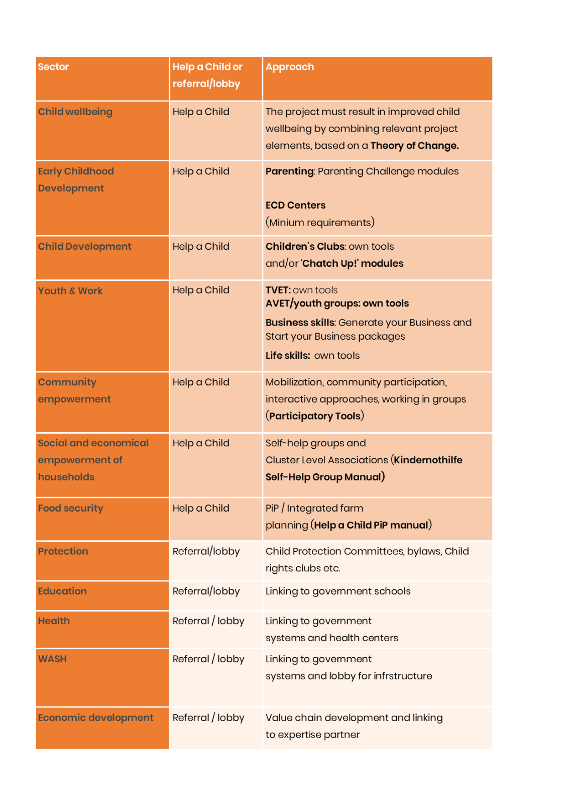

 | 5.3 Identification of gaps

 | 5.3.1 From the perspective of the Community Action Plan
 | Is the vision of the community, as described in the Community Action Plan, well embedded? Are there any gaps between the vision of the community and the project design? Also describe how to bridge these gaps. Choose between: manage expectations, link with certain external actors or adapt project design.

 | 5.3.2 From the perspective of the partner
 | Is the capacity of the implementing partner sufficient to carry out the project as designed? If any gaps are identified in the capacity of the partner, describe how to bridge these gaps. Choose between: link with expertise partner / knowledge institute, arrange extra training/support via Help a Child or adapt project design.

 | 5.3.3 From the perspective of CCCD obligatory elements
 | Is the project in line with the elements of a CCCD project as described in paragraph 4.3 in the CCCD manual and figure on the right. Also reflect on the chosen approaches for these elements and explain any deviations from the suggested approaches if they occur.

 | DONE? DON'T FORGET TO SAVE YOUR CHANGES.

Take me to step 6: MULTI-ANNUAL PROJECT PLAN

6. Multi-Annual Project Plan
Step 6: Multi-Annual Project Plan (MAPP)

After the Community Challenge is done, the estimated duration of the CCCD implementation is 7 years. After 5 years of implementation, an external evaluation takes place. This evaluation gives input for the phase-out plan, which will take an estimated 2 years. So, the total multi-annual plan, on average, takes 7 years. Please fill out the multi-annual plan below for all 7 years. Ensure only key activities are mentioned in this multi-annual work plan as more detailed information will be filled out in the annual plans.

Location of the project: | Planning of key activities
 | Year 1 |  | Year 2 |  | Year 3 |  | Year 4 |  | Year 5 |  | Year 6 |  | Year 7
Long-term outcome of the project: | XXXX |  | XXXX |  | XXXX |  | XXXX |  | XXXX |  | XXXX |  | XXXX
 | Jan-June | July-Dec | Jan-June | July-Dec | Jan-June | July-Dec | Jan-June | July-Dec | Jan-June | July-Dec | Jan-June | July-Dec | Jan-June | July-Dec
1st pathway of change
Key activity 1a
Key activity 1b
Key activity 1c
Key activity 1d

2nd pathway of change
Key activity 2a
Key activity 2b
Key activity 2c
Key activity 2d

3rd pathway of change
Key activity 3a
Key activity 3b
Key activity 3c
Key activity 3d

4th pathway of change (if applicable)
Key activity 4a
Key activity 4b
Key activity 4c
Key activity 4d

5th pathway of change (if applicable)
Key activity 5a
Key activity 5b
Key activity 5c
Key activity 5d

6. Other / general activities
Key activity 6a
Key activity 6b
Key activity 6c
...
7. CAM activities
Key activity 7a
Key activity 7b
Key activity 7c
Key activity 7d

DONE? DON'T FORGET TO SAVE YOUR CHANGES.

Take me to step 7: Multi Annual Budget

7. Multi-Annual Budget
Step 7: Multi-Annual Budget

In the table below the 7 years budget can be filled out. Please ensure only total amounts are mentioned in this multi-annual budget, as more detailed information will be filled out in the annual plan.
 | n Suggestions to be taken into account for the set-up of the budget:
 | Expected numbers of staff involved per year; expected number of volunteers involved per year, expected payments to beneficiaries (per diems, transport) in relation to own contributions of the communities, own contribution communities for well-being of children etc.

Location of the project: | Budget
 | Year 1 | Year 2 | Year 3 | Year 4 | Year 5
Long-term outcome of the project: | XXXX | XXXX | XXXX | XXXX | XXXX
1st pathway of change | 0 | 0 | 0 | 0 | 0
Key activity 1a
Key activity 1b
Key activity 1c
Key activity 1d
...

